Date Function
Date Function | Functions | Date | Formula |  | Day | Month | Year
 | Today | 2024-09-13 | =TODAY() | 2024-09-13 | 2 | 3 | 5
Today, Now Functions | Now | 9/13/24 | =NOW() | 9/13/24
Day, Month, Year Functions | Day | 13 | =DAY(D5) | 13 | 2023-11-05 | 2029-02-07
Date Function | Month | 9 | =MONTH(D5) | 9 | 2023-11-07 | 2023 | 2028
Adding / Subtracting Day, Month, Year | Year | 2024 | =YEAR(D5) | 2024 |  | 11 | 14
Networkdays, Networkday.intl | Date | 2024-09-13 | =DATE(D9,D8,D7) | 2024-09-13 |  | 5 | 7
Date vs Days |  |  |  |  |  |  | 2029-02-07
 | Add / Subtract Days

 | Date | 2024-09-13
 | Adding Days | 2024-09-14
 | Substracting Days | 2024-09-12

 | Add / Subtract Month
 | E-Date
 | Date | 2024-09-13 |  |  | Add / Subtract Years
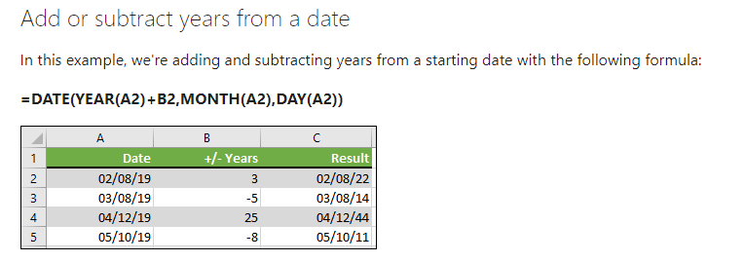
 | Adding Months | 2024-12-13
 | Substracting Months | 2024-11-13

 | Add / Subtract Years
 | E-Date
 | Date | 2024-09-13
 | Adding Years | 2025-09-13 | 2024-10-13
 | Substracting Years | 2026-09-13

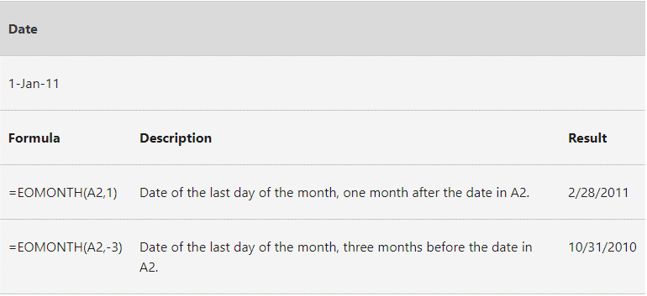
 | End of Month (EOMonth) |  |  |  | End of Month (EOMonth)
 | Date | 2024-11-30 | 2024-10-31

 | NetworkDays
 | Start Date | 2024-09-30
 | End Date | 2024-08-31 | 22-8-2-24
 |  | -21

 | NetworkDays
 | Start Date | 2024-07-23
 | End Date | 2024-07-24
 |  | 2
 | NetworkDays.intl
 | Start Date | 2024-08-01
 | End Date | 2024-08-31 | 22

